Parameters
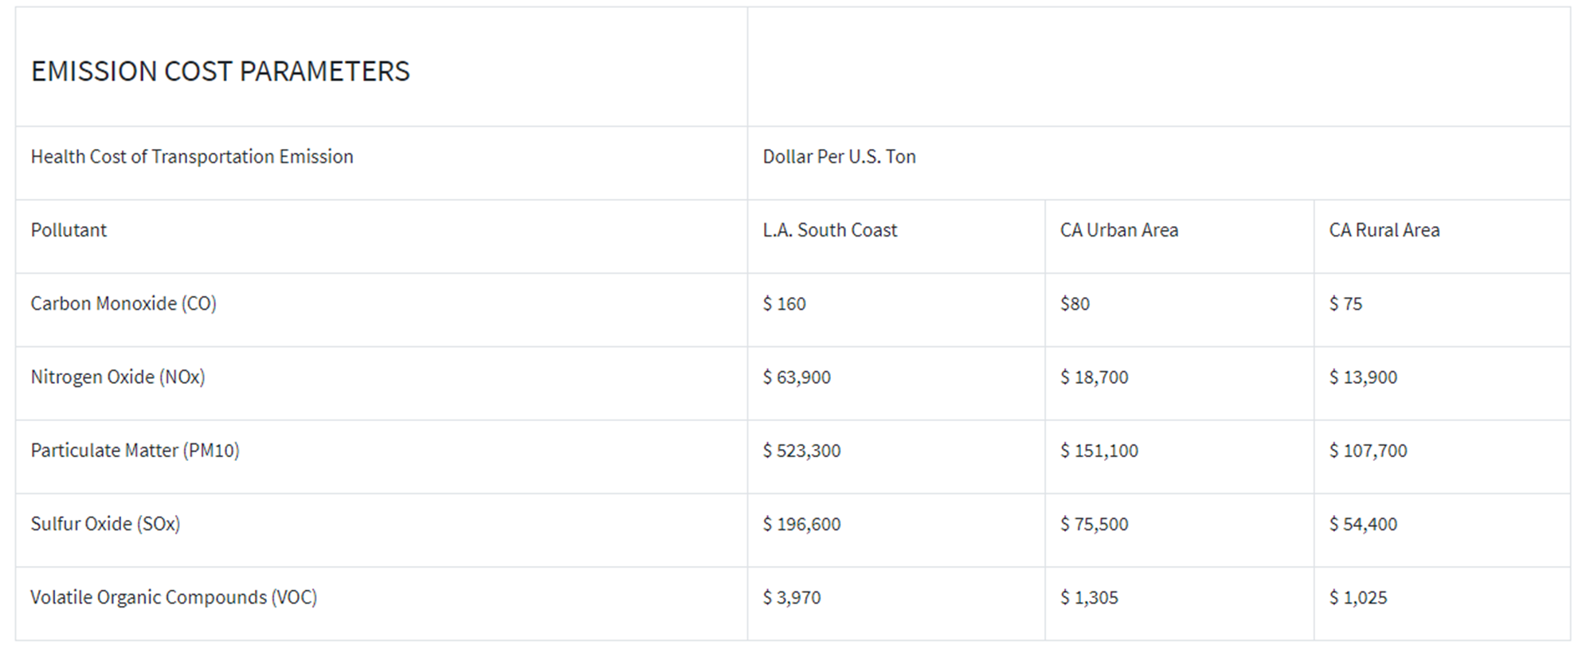

Appendix A Recommended Parameter Values (USDOT BCA Guidance 2022)

Table A-1: Value of Reduced Fatalities and Injuries |  |  |  | Table A-4 Avg Vehicle Occupany Rates for Highway Passenger Vehicles |  | Table A-6 Damage costs for Emissions per metric ton
Recommended Monitized Value(s) |  |  |  | Recommended Values |  | Recommended Monitized Value(s)
MAIS Level | Severity | Fraction of VSL | Unit value ($2019) | Vehicle Type | Average occupany | Emissions | Nox | So2 | PM 2.5 | PM 10 | CO2
MAIS 1 | Minor | 0.003 | $32,700 | Passenger Vehicles (Weekday Peak) | 1.48 | 2020 | $15,700 | $40,400 | $729,300 | $178,087 | $50 | 68.90% | $22,530.30
MAIS 2 | Moderate | 0.047 | $512,300 | Passenger Vehicles (Weekday Off-Peak) | 1.58 | 2021 | $15,600 | $41,500 | $748,600 | $182,800 | $52 | 25.20% | $129,099.60
MAIS 3 | Serious | 0.105 | $1,144,500 | Passenger Vehicles (Weekend) | 2.02 | 2022 | $15,800 | $42,300 | $761,600 | $185,975 | $53 | 1.5% | $16,786.00
MAIS 4 | Severe | 0.266 | $2,899,400 | Passenger Vehicles (All Travel) | 1.67 | 2023 | $16,000 | $43,100 | $774,700 | $189,173 | $54 | 1.5% | $42,524.53
MAIS 5 | Critical | 0.593 | $6,463,700 |  |  | 2024 | $16,200 | $44,000 | $788,100 | $192,446 | $55 | 1.5% | $94,800.93
Fatal | Not survivable | 1 | $10,900,000 | Table A-5 Vehicle Operating Costs |  | 2025 | $16,500 | $44,900 | $801,700 | $195,767 | $56 | 1.50% | $163,500.00
 |  |  |  | Recommended Values |  | 2026 | $16,800 | $45,700 | $814,500 | $198,892 | $57 |  | $469,241
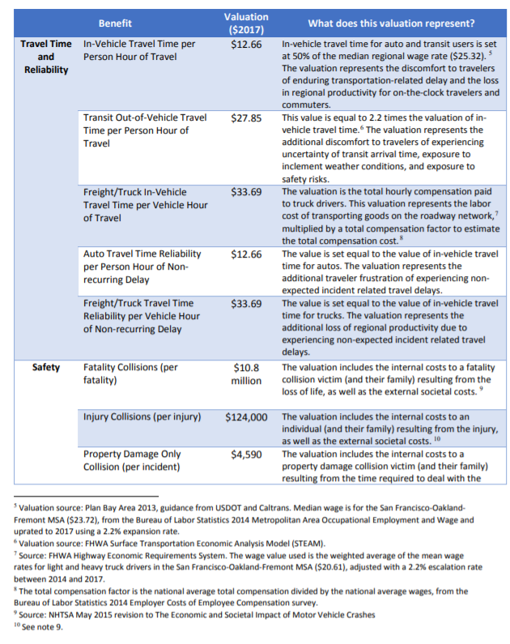
KABCO Level |  |  | Monetized Value ($2020) | Vehicle Type | Per Mile ($2020) | 2027 | $17,100 | $46,500 | $827,400 | $202,042 | $58
O-No Injury |  |  | $3,700 | Light Duty Vehicles | $0.45 | 2028 | $17,400 | $47,300 | $840,600 | $205,265 | $60
C-Possible Injury |  |  | $77,200 | Commercial Trucks | $0.94 | 2029 | $17,700 | $48,200 | $854,000 | $208,538 | $61
B-Non-Incapacitating |  |  | $151,100 |  |  | 2030 | $18,100 | $49,100 | $867,600 | $211,859 | $62
A-Incapacitating |  |  | $554,800 | Table A-7 Inflation Adjustment Values |  | 2031 | $18,100 | $49,100 | $867,600 | $211,859 | $63
K-Killed |  |  | $11,600,000 | Recommended Values |  | 2032 | $18,100 | $49,100 | $867,600 | $211,859 | $64
U-Injured (Severity Unknown) |  |  | $210,300 | Base Year of Nominal Dollar | Multiplier to Adjust to Real $2020 | 2033 | $18,100 | $49,100 | $867,600 | $211,859 | $65
# Accidents Reported (Unknown if injured) |  |  | $159,800 | 2002 | 1.3851 | 2034 | $18,100 | $49,100 | $867,600 | $211,859 | $66
 |  |  |  | 2003 | 1.38 | 2035 | $18,100 | $49,100 | $867,600 | $211,859 | $67
Crash Type |  |  | Monetized Value ($2020) | 2004 | 1.34 | 2036 | $18,100 | $49,100 | $867,600 | $211,859 | $69
Injury Crash |  |  | $302,600 | 2005 | 1.3 | 2037 | $18,100 | $49,100 | $867,600 | $211,859 | $70
Fatal Crash |  |  | $12,837,400 | 2006 | 1.26 | 2038 | $18,100 | $49,100 | $867,600 | $211,859 | $71
 |  |  |  | 2007 | 1.23 | 2039 | $18,100 | $49,100 | $867,600 | $211,859 | $72
Table A-2: Property Damage Only (PDO) Crashes |  |  |  | 2008 | 1.2 | 2040 | $18,100 | $49,100 | $867,600 | $211,859 | $73
Crash Type |  |  | Monetized Value ($2020)/vehicle | 2009 | 1.2 | 2041 | $18,100 | $49,100 | $867,600 | $211,859 | $74
PDO |  |  | $4,600 | 2010 | 1.18 | 2042 | $18,100 | $49,100 | $867,600 | $211,859 | $75
 |  |  |  | 2011 | 1.16 | 2043 | $18,100 | $49,100 | $867,600 | $211,859 | $77
Table A-3: Value of Travel Time Savings |  |  |  | 2012 | 1.14 | 2044 | $18,100 | $49,100 | $867,600 | $211,859 | $78
Recommnded Hourly Values of Travel Time Savings (2020 U.S.$person-hour) |  |  |  | 2013 | 1.12 | 2045 | $18,100 | $49,100 | $867,600 | $211,859 | $79
Category |  |  | Hourly Value | 2014 | 1.1 | 2046 | $18,100 | $49,100 | $867,600 | $211,859 | $80
In-Vehicle Travel |  |  |  | 2015 | 1.09 | 2047 | $18,100 | $49,100 | $867,600 | $211,859 | $81
Personal* |  |  | $16.20 | 2016 | 1.07 | 2048 | $18,100 | $49,100 | $867,600 | $211,859 | $82
Business |  |  | $29.40 | 2017 | 1.05 | 2049 | $18,100 | $49,100 | $867,600 | $211,859 | $83
All Purposes |  |  | $17.80 | 2018 | 1.03 | 2050 | $18,100 | $49,100 | $867,600 | $211,859 | $85
Commercial Vehilce Operators |  |  |  | 2019 | 1.0100 | 2051 | $18,100 | $49,100 | $867,600 | $211,859 | $85
Truck Drivers |  |  | $32.00 | 2020 | 1.0000 | 2052 | $18,100 | $49,100 | $867,600 | $211,859 | $86
Bus Drivers |  |  | $33.60 | 2021* | 0.9900 | 2053 | $18,100 | $49,100 | $867,600 | $211,859 | $87
Transit Rail Operators |  |  | $50.70 | 2022* | 0.9800 | 2054 | $18,100 | $49,100 | $867,600 | $211,859 | $88
Locomotive Engineers |  |  | $52.50 | 2023* | 0.9700 | 2055 | $18,100 | $49,100 | $867,600 | $211,859 | $89
 |  |  |  | 2024* | 0.9600 | 2056 | $18,100 | $49,100 | $867,600 | $211,859 | $91
* Used blended rate for 75% intercity travel and 25% local travel |  |  |  | 2025* | 0.9500 | 2057 | $18,100 | $49,100 | $867,600 | $211,859 | $92
 |  |  |  | 2026* | 0.9400 | Particulate Matter (PM 10)($2016); Used same factor as PM 2.5
 |  |  |  | * Adjustment value extrapolated |  | Caltrans Vehicle Operation Cost Parameters

